Instructions
Instructions

Overview
Watch the below videos to follow the steps along with me to find out how to create conditional drop-down lists
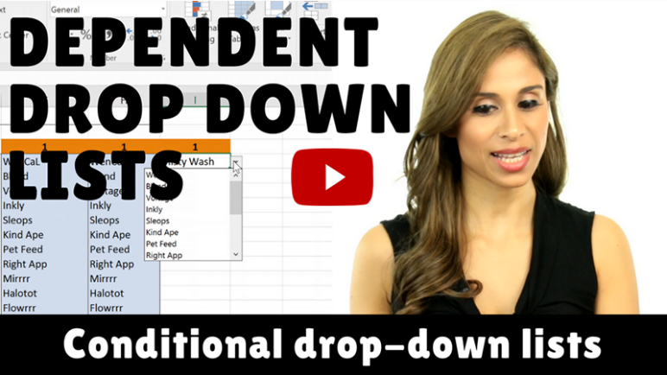

See my complete list of online Excel courses
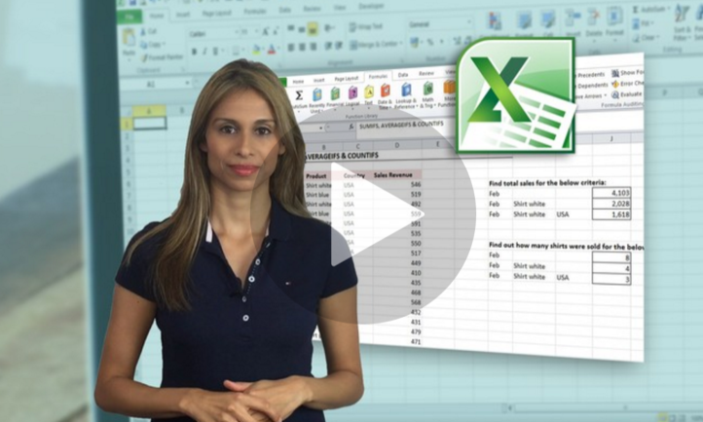

Sharing & Learning
Feel free to share this with anyone who can benefit!

