Notes
Notes

Overview

If you're interested to become better in Excel, check out my ONLINE COURSES.

Sharing & Learning
Feel free to share this with anyone who can benefit!
Visit my other free Excel Tutorials.

CustomSymbols
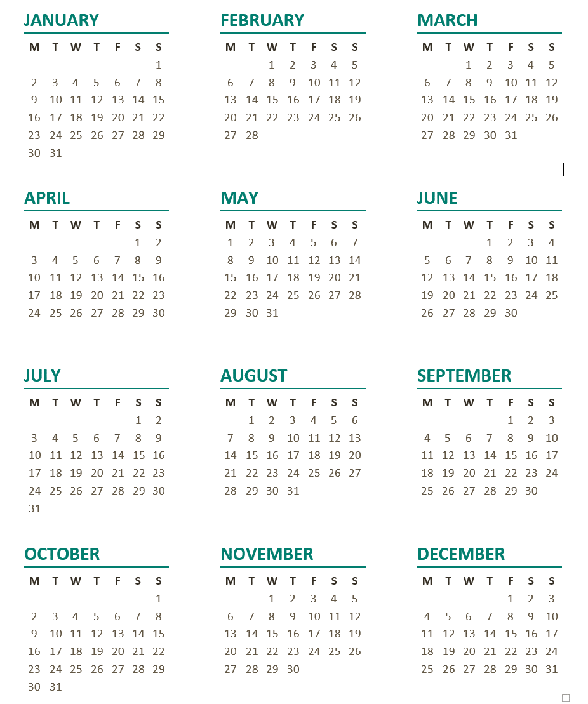
2017-06-29
Task | Start date | # Working days | End date | Done (Y) |  | Holidays
Design completed | 2017-01-02 | 8 | 2017-01-13 | Y | P | 2017-01-01
Admin training | 2017-01-13 | 13 | 2017-02-01 | Y | P | 2017-01-06
Address IT issues | 2017-02-01 | 12 | 2017-02-17 | Y | P | 2017-04-16
Initial build completed | 2017-02-17 | 25 | 2017-03-24 |  | ' | 2017-04-17
Data migration | 2017-03-24 | 60 | 2017-06-23 |  | ' | 2017-05-01
User training | 2017-06-23 | 40 | 2017-08-21 |  | ‰ | 2017-05-25
Testing | 2017-08-21 | 20 | 2017-09-18 |  | ‰ | 2017-06-04
Parallel run | 2017-09-18 | 12 | 2017-10-04 |  | ‰ | 2017-06-05
Sign-off | 2017-10-04 | 5 | 2017-10-11 |  | ‰ | 2017-06-15
 |  |  |  |  |  | 2017-08-15
P | 80 | Character code |  |  |  | 2017-10-26
‰ | 137 | Character code |  |  |  | 2017-11-01
' | 39 | Character code |  |  |  | 2017-12-08
 |  |  |  |  |  | 2017-12-25
 |  |  |  |  |  | 2017-12-26

