Notes
Notes

Overview

If you're interested to become better in Excel, check out my ONLINE COURSES.

Sharing & Learning
Feel free to share this with anyone who can benefit!
Visit my other free Excel Tutorials.

Sorted_bar_chart_before
Alternatives for the Doughnut (Donut) Chart - Sorted bar chart

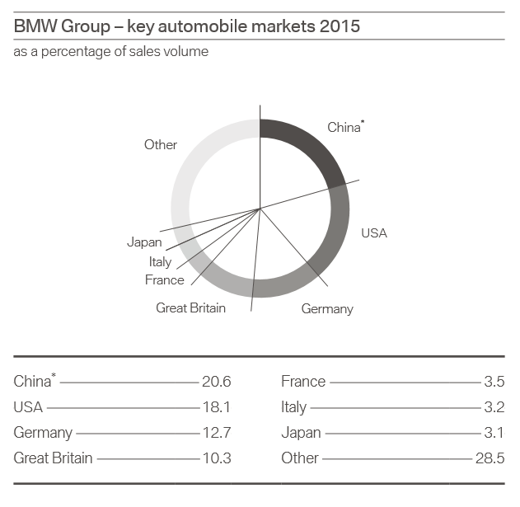
 |  | BMW Group - key automobile markets 2015
 |  | as a percentag of sales volume

 |  | Germany | 12.7
 |  | France | 3.5
 |  | Italy | 3.2
 |  | Great Britain | 10.3
 |  | USA | 18.1
 |  | China | 20.6
 |  | Japan | 3.1
 |  | Other | 28.5

 | Source: Annual report 2015 BMW Group (page 29)

Sorted_Bar_Final
If you'd like to exclude "other" with dynamic formulas
Alternatives for the Doughnut (Donut) Chart

 |  | BMW Group - key automobile markets 2015
 |  | as a percentag of sales volume |  | Data Prep |  |  |  |  | Data Prep
 |  |  |  | Rank |  | Country | Value | Rank |  | Country | Value
 |  | Germany | 12.7 | 3 | 1 | China | 20.6 | 3 | 1 | China | 20.6
 |  | France | 3.5 | 5 | 2 | USA | 18.1 | 5 | 2 | USA | 18.1
 |  | Italy | 3.2 | 6 | 3 | Germany | 12.7 | 6 | 3 | Germany | 12.7
 |  | Great Britain | 10.3 | 4 | 4 | Great Britain | 10.3 | 4 | 4 | Great Britain | 10.3
 |  | USA | 18.1 | 2 | 5 | France | 3.5 | 2 | 5 | France | 3.5
 |  | China | 20.6 | 1 | 6 | Italy | 3.2 | 1 | 6 | Italy | 3.2
 |  | Japan | 3.1 | 7 | 7 | Japan | 3.1 | 7 | 7 | Japan | 3.1
 |  | Other | 28.5 |  |  | Other | 28.5 | 8 | 8 | Other | 28.5

 | Source: Annual report 2015 BMW Group (page 29)

 | BMW Group - key automobile markets 2015
 | as a percentag of sales volume

