Notes
Notes

Overview

If you're interested to become better in Excel, check out my ONLINE COURSES.

Sharing & Learning
Feel free to share this with anyone who can benefit!
Visit my other free Excel Tutorials.

Small Table
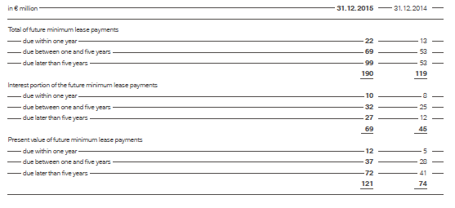

Source: Annual report 2015 BMW Group (page 124)

in € million | 2015-12-31 | 2014-12-31

Total of future minimum lease payments | 190 | 119
due within one year | 22 | 13
due between one and five years | 69 | 53
due later than five years | 99 | 53

Interest portion of the future minimum lease payments | 69 | 45
due within one year | 10 | 8
due between one and five years | 32 | 25
due later than five years | 27 | 12

Present value of future minimum lease payments | 121 | 74
due within one year | 12 | 5
due between one and five years | 37 | 28
due later than five years | 72 | 41

Large Table
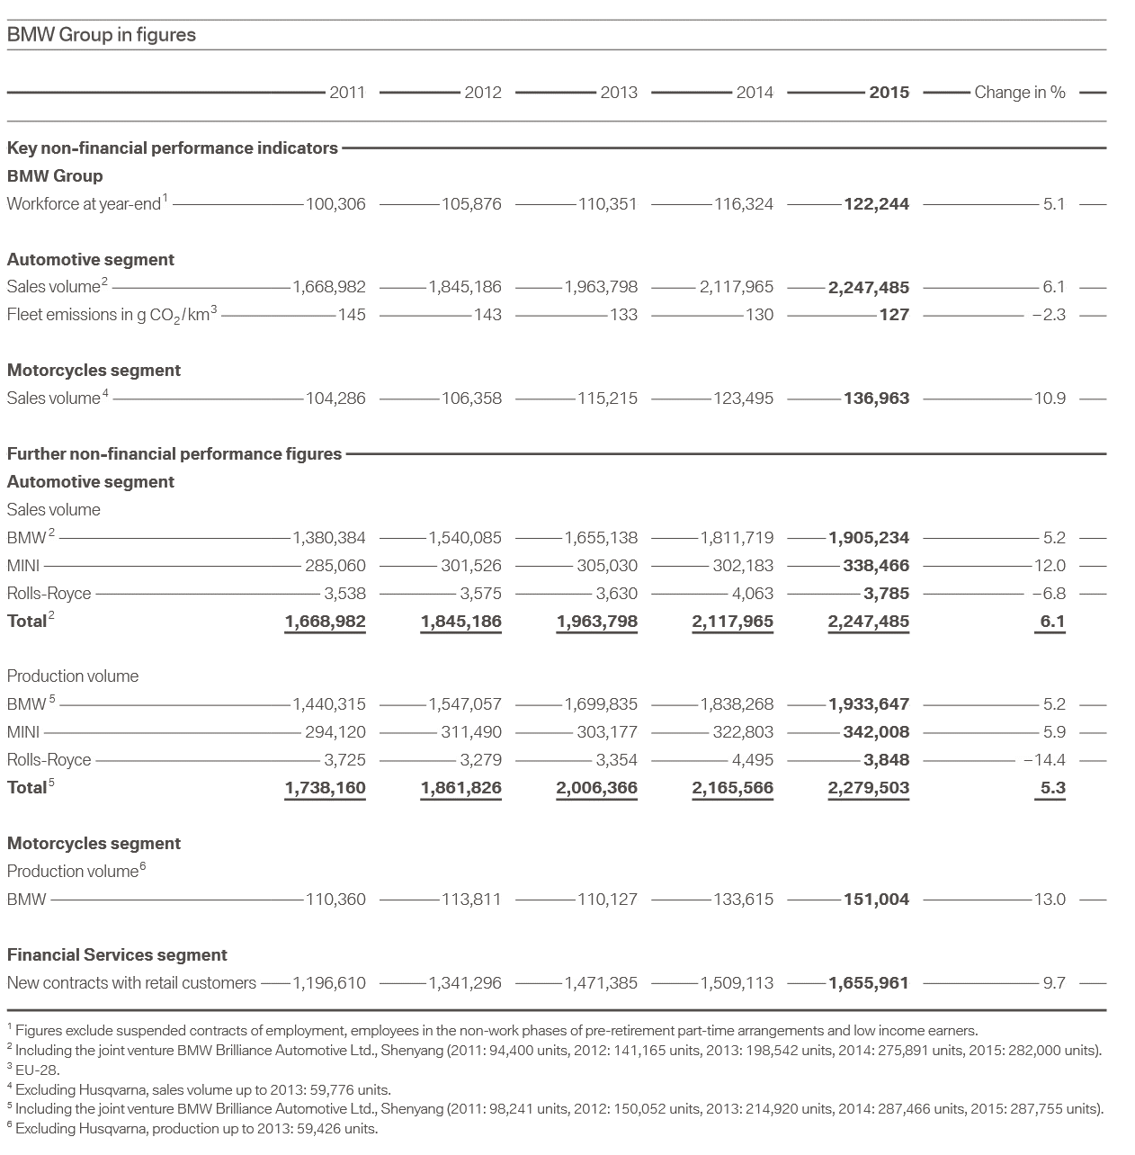
BMW Group in figures

Key non-financial performance indicators |  | 2011 | 2012 | 2013 | 2014 | 2015 | Change in %

BMW Group | Workforce at year-end 1 | 100,306 | 105,876 | 110,351 | 116,324 | 122,244 | 5.1 | ■ | 5.1

Automotive segment | Sales volume 2 | 1,668,982 | 1,845,186 | 1,963,798 | 2,117,965 | 2,247,485 | 6.1 | ■ | 6.1
 | Fleet emissions in g CO2/km3 | 145 | 143 | 133 | 130 | 127 | -2.3 | ■ | -2.3

Motorcycles segment | Sales volume 4 | 104,286 | 106,358 | 115,215 | 123,495 | 136,963 | 10.9 | ■ | 10.9

Further non-financial performance figures

Automotive segment | Sales volume
 | BMW 2 | 1,380,384 | 1,540,085 | 1,655,138 | 1,811,719 | 1,905,234 | 5.2 | ■ | 5.2
 | MINI | 285,060 | 301,526 | 305,030 | 302,183 | 338,466 | 12.0 | ■ | 12.0
 | Rolls-Royce | 3,538 | 3,575 | 3,630 | 4,063 | 3,785 | -6.8 | ■ | -6.8
 | Total 2 | 1,668,982 | 1,845,186 | 1,963,798 | 2,117,965 | 2,247,485 | 6.1 | ■ | 6.1

Automotive segment | Production volume
 | BMW 5 | 1,440,315 | 1,547,057 | 1,699,835 | 1,838,268 | 1,933,647 | 5.2 | ■ | 5.2
 | MINI | 294,120 | 311,490 | 303,177 | 322,803 | 342,008 | 5.9 | ■ | 5.9
 | Rolls-Royce | 3,725 | 3,279 | 3,354 | 4,495 | 3,848 | -14.4 | ■ | -14.4
 | Total 5 | 1,738,160 | 1,861,826 | 2,006,366 | 2,165,566 | 2,279,503 | 5.3 | ■ | 5.3

Motorcycles segment | Production volume 6
 | BMW | 110,360 | 113,811 | 110,127 | 133,615 | 151,004 | 13.0 | ■ | 13.0

Financial Services segment | New contracts with retail customers | 1,196,610 | 1,341,296 | 1,471,385 | 1,509,113 | 1,655,961 | 9.7 | ■ | 9.7

1 Figures exclude suspended contracts of employment, employees in the on-work phases of pre-retirement part-time arrangements and low income earners.
2 Including the joint venture BMW Brilliance Automotive Ltd, Shenyang (2011: 94.400 units, 2012: 141.165 units, 2013: 198.542 units, 2014: 275.891 units, 2015: 282.000 units).
3 EU-28
4 Excluding Husqvarna, sales volume up to 2013: 59.776 units.
5 Including the joint venture BMW Brilliance Automotive Ltd, Shenyang (2011: 98.241 units, 2012: 150.052 units, 2013: 214.920 units, 2014: 287.466 units, 2015: 287.755 units).
6 Excluding Husqvarna, production up to 2013: 59.426 units.

Source: Annual report 2015 BMW Group (page 3)

Color codes for custom formatting: |  |  | https://msdn.microsoft.com/en-us/library/cc296089(v=office.12).aspx

