Instructions
Instructions

Overview
Check out the videos to follow along HERE:

http://www.xelplus.com/excel-sumifs-sum-alternate-columns-based-on-header

Some of these techniques are part of my online course called Advanced Excel: Top Excel Tips & Formulas
Get more Details about the Course HERE.

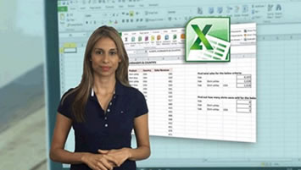

Sharing & Learning
Feel free to share this with anyone who can benefit!

