Instructions
Instructions

Overview
Watch THIS Video to see how you can use Frequency, Row and Sumproduct to get Unique Item Count Across Rows
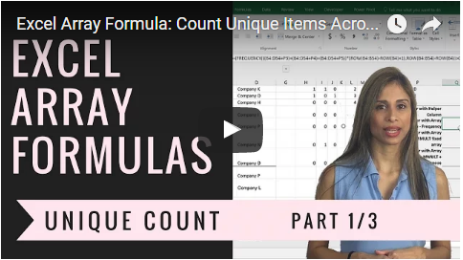

If you are Interested to improve your Excel skills, check out my Advanced Excel: Top Tips & Formulas.
Get more Details about the Course HERE.
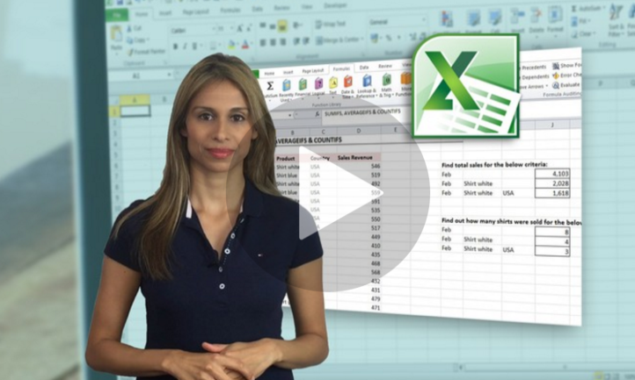

Sharing & Learning
Feel free to share this with anyone who can benefit!

