Instructions
Instructions

Overview
Watch THIS Video to see how you can use SUMPRODUCT, MMULT & Transpose t to get Unique Item Count Across Rows
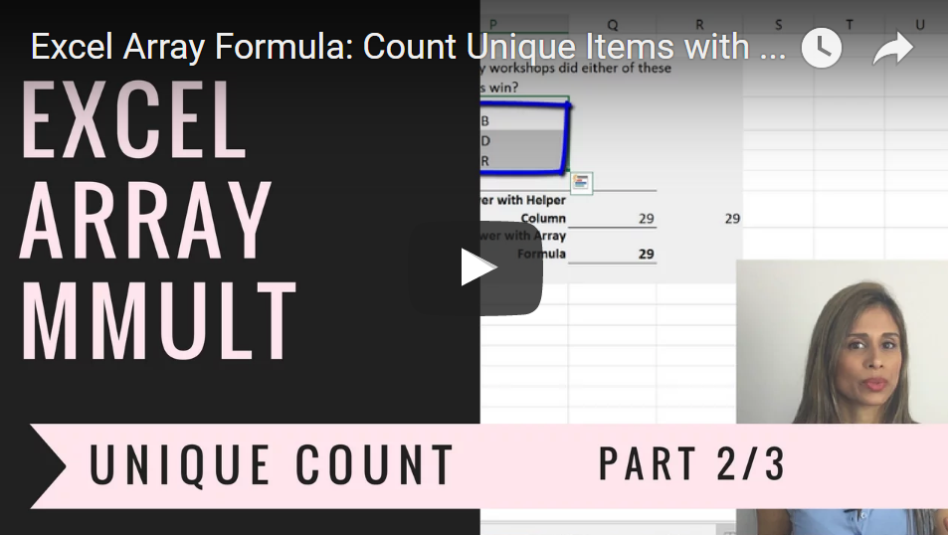

If you are Interested to improve your Excel skills, check out my Advanced Excel: Top Tips & Formulas.
Get more Details about the Course HERE.
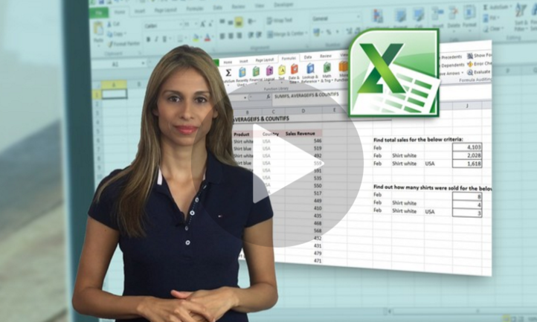

Sharing & Learning
Feel free to share this with anyone who can benefit!

