Instructions
Instructions

Overview
Watch THIS Video to see how you can use MMULT, ROW, INDIRECT and INDEX to Count Rows with OR Condition
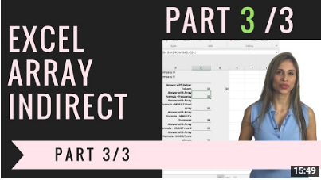

If you are Interested to improve your Excel skills, check out my Advanced Excel: Top Tips & Formulas.
Get more Details about the Course HERE.
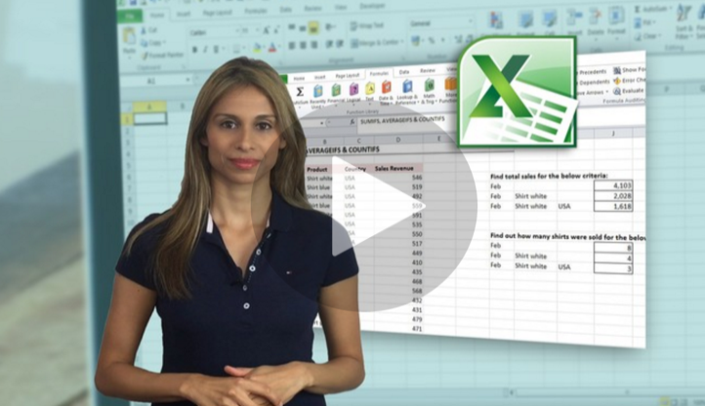

Sharing & Learning
Feel free to share this with anyone who can benefit!

